From Fusion 360
SubAssy | Category | Item | Thumbnail | Part Name | Part Description | Make/Buy | Included in XYHD12_CFx kit? | QTY | provided | provision notes | Comment | Vendor | Vendor URL
OPTION_HD12_CFX_MGN9 | Buy | 1 | 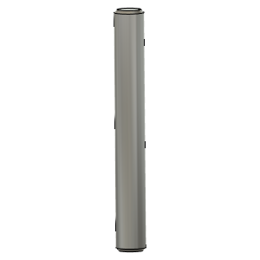 | Dowel_Pin_5mmX40mm | Pin, Dowel - 5x40mm | Buy |  | 2 | 2 | 304 stainless | *Make sure these pins are not 5.00mm or more. They need to be 4.98 in order to fit the Idlers bearing properly. Most 5mm dowel pins on the market will be 4.98mm Can also be replaced with 5mm full carbon rods
OPTION_HD12_CFX_MGN9 | Buy | 2 | 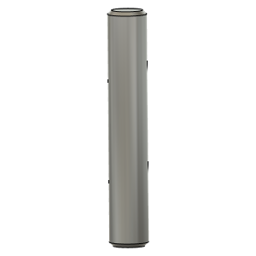 | Dowel_Pin_5mmX30mm | Pin, Dowel - 5x30mm | Buy |  | 2 | 2 | 304 stainless | *Make sure these pins are not 5.00mm or more. They need to be 4.98 in order to fit the Idlers bearing properly. Most 5mm dowel pins on the market will be 4.98mm Can also be replaced with 5mm full carbon rods
OPTION_HD12_CFX_MGN9 | Buy | 3 | 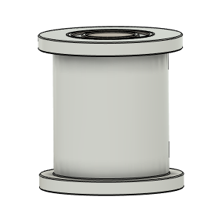 | Gates_2GT_20T_12MM_Smooth | Pulley, Smooth Idler - 12mmGT2 5mm bore | Buy |  | 2 | 2 | provided |  | AliExpress - Mellow Store | https://s.click.aliexpress.com/e/_9If3uR
OPTION_HD12_CFX_MGN9 | Buy | 4 | 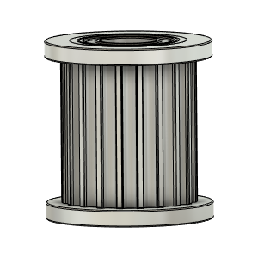 | Gates_2GT_20T_12MM_Toothed | Pulley, Toothed Idler - 12mmGT2 5mm bore | Buy |  | 2 | 2 | provided |  | AliExpress - Mellow Store | https://s.click.aliexpress.com/e/_9If3uR
OPTION_HD12_CFX_MGN9 | Buy | 5 | 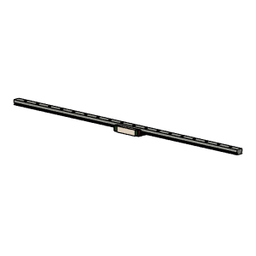 | MGN9 Rail and Block Assy | NOTE!! Length for the X rail of this config is longer than Regular HD12 | Buy |  | 1 | 0 |  | Suggested to buy 400mm length rail for 315x315 build. Rail will need to be cut to length (375mm for a 315x315 build). It is assumed that the end hole position is as per Hiwin Specs: | Hiwin Specs | Any Good Quality MGN9H Rail and Block assy will do.
OPTION_HD12_CFX_MGN9 | Buy + Fabricate | 6 | 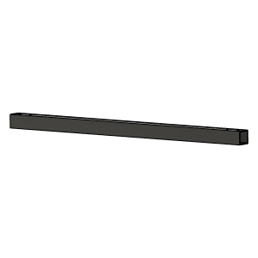 | CarbonFiberTube_20x20x1.8 v1 | Cut To Length and drill | Buy |  | 1 | 0 |  | Center and position rail using Y carriages and use rail as drill jig. See: PositionningTool_MGN9_V1.1.stl | Aliexpress - TianYuQi | https://s.click.aliexpress.com/e/_ABtMKb
OPTION_HD12_CFX_MGN9 | Hardware | 7 | 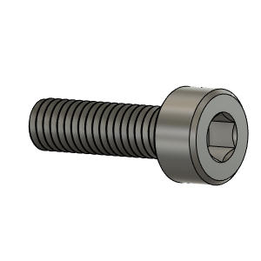 | M3X10_CapScrew_92290A115 | Screw, Cap - M3X10mm | Buy |  | 4 | 4 | 304 stainless
OPTION_HD12_CFX_MGN9 | Hardware | 8 | 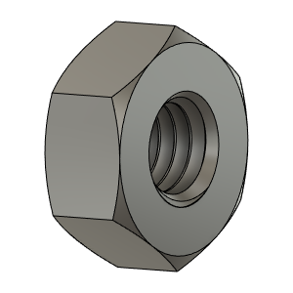 | M3_Nut_94150A325 | Nut, Hex - M3 | Buy |  | 15 | 15 | 304 stainless
OPTION_HD12_CFX_MGN9 | Hardware | 9 | 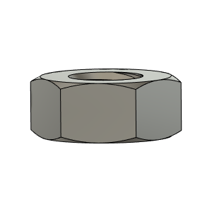 | M4_Nut_94150A335 | Nut, Hex - M4 | Buy |  | 2 | 2 | 304 stainless
OPTION_HD12_CFX_MGN9 | Hardware | 10 | 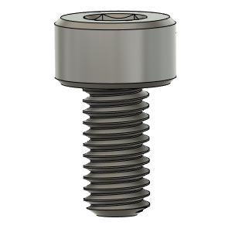 | M3X6_CapScrew_92290A111 | Screw, Cap - M3X6mm | Buy |  | 4 | 4 | 304 stainless
OPTION_HD12_CFX_MGN9 | Hardware | 11 | 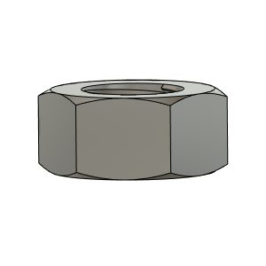 | M5_HexNut_94150A340 | Nut, Hex - M5 | Buy |  | 2 | 2 | 304 stainless
OPTION_HD12_CFX_MGN9 | Hardware | 12 | 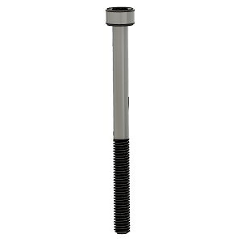 | M3X40_CapScrew_92290A128 | Screw, Cap - M3X40mm | Buy |  | 6 | 6 | 304 stainless
OPTION_HD12_CFX_MGN9 | Hardware | 13 | 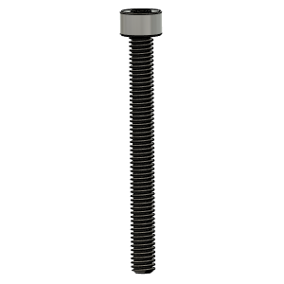 | M4X40_CapScrew_91290A174 | Screw, Cap - M4X40mm | Buy |  | 2 | 2 | 304 stainless
OPTION_HD12_CFX_MGN9 | Hardware | 14 | 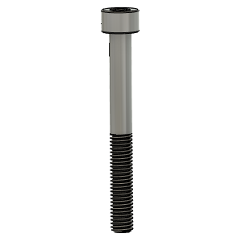 | M5X45_CapScrew_91290A260 | Screw, Cap - M5X45mm | Buy |  | 2 | 2 | 304 stainless
OPTION_HD12_CFX_MGN9 | Hardware | 15 | 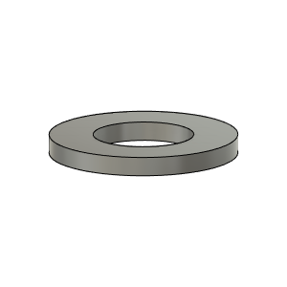 | M3_Washer_Flat_98690A110 |  | Buy |  | 9 | 9 | 304 stainless
OPTION_HD12_CFX_MGN9 | Hardware | 16 | 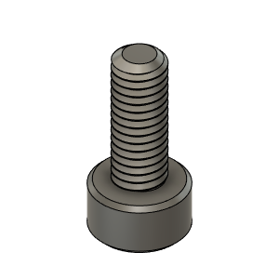 | M3X8_CapScrew_92290A113 | Screw, Cap - M3X8mm | Buy |  | 9 | 9 | 304 stainless
OPTION_HD12_CFX_MGN9 | PRINT | 17 | 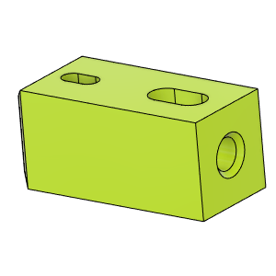 | HD_CFx_MGN9_CFTube Insert |  | Make |  | 2 | 0 |  |  | Thingiverse | https://www.thingiverse.com/thing:4886459
OPTION_HD12_CFX_MGN9 | PRINT | 18 | 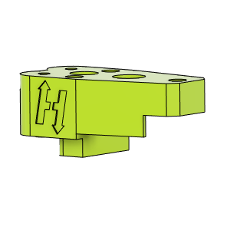 | HD12_CFx_MGN9_YCarriage_LH_UpperBody v1 |  | Make |  | 1 | 0 |  | For CF tube within 20.3-20.5mm use V1 Files For CF Tubes within 20.1-20.2mm use V1.1 Files | Thingiverse | https://www.thingiverse.com/thing:4886459
OPTION_HD12_CFX_MGN9 | PRINT | 19 | 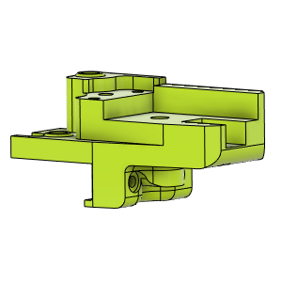 | HD12_CFx_MGN9_YCarriage_LH_LowerBody v1 |  | Make |  | 1 | 0 |  | For CF tube within 20.3-20.5mm use V1 Files For CF Tubes within 20.1-20.2mm use V1.1 Files | Thingiverse | https://www.thingiverse.com/thing:4886459
OPTION_HD12_CFX_MGN9 | PRINT | 20 | 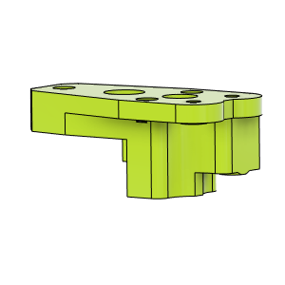 | HD12_CFx_MGN9_YCarriage_RH_UpperBody v1 |  | Make |  | 1 | 0 |  | For CF tube within 20.3-20.5mm use V1 Files For CF Tubes within 20.1-20.2mm use V1.1 Files | Thingiverse | https://www.thingiverse.com/thing:4886459
OPTION_HD12_CFX_MGN9 | PRINT | 21 | 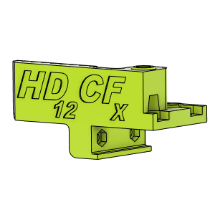 | HD12_CFx_MGN9_YCarriage_RH_LowerBody v1 |  | Make |  | 1 | 0 |  | For CF tube within 20.3-20.5mm use V1 Files For CF Tubes within 20.1-20.2mm use V1.1 Files | Thingiverse | https://www.thingiverse.com/thing:4886459

MGN9_Rail_Length
